Wellness Check
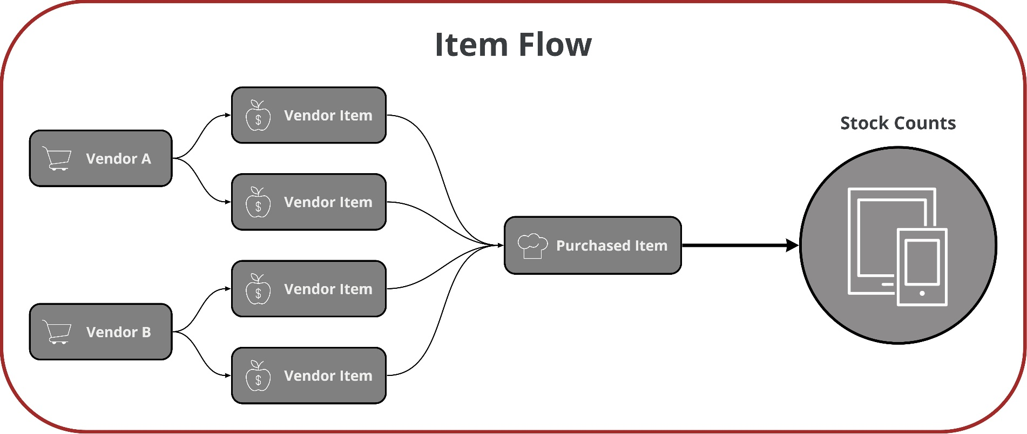
Wellness Check Workbook |  | Table of Contents

 | Use this workbook to self-validate your database to ensure ongoing health |  | 1 - UofM Setup

 |  |  | 2 - Categories
 | UofMs and Purchase items are the building blocks of your database and therefore, the main focus of this workbook. Correct UofMs and Purchase Item setup, along with accurate invoicing, will ensure that item costing is calculating correctly.
 |  |  | 3 - Purchased Item Setup

For more best practices, click here to reference R365 Operations Do's and Don'ts

1 - UofM Setup
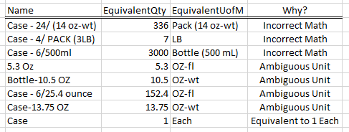
UofMs Set Up Incorrectly
UofM Set Up
1. Navigate to UofM list view and set filter on "Modified By" field to exclude R365 Coach name | 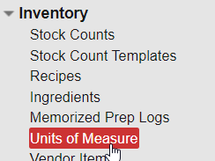 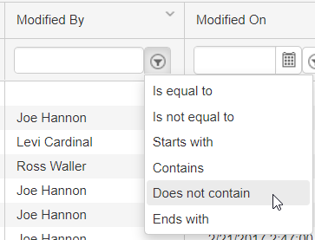
What are we looking for?
Incorrect math statements
e.g. Case - 30 LB = 3 LB
Ambiguous Names
UofM names that are not inuitive or misleading
e.g. "Bag (30)" or "Can 12 oz"
Each
Any UofMs set to 1 Each that are not truly equivalent to 1 Each
e.g. Flat = 1 Each

2. Export the filtered view using the Export button in the top right hand corner of the window
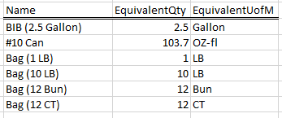
UofMs Set Up Correctly

3. Copy the exported cells and paste values in cell A22 below

Click here for more UofM Best Practices

Name | EquivalentQty | EquivalentUofM | Container | PacksizeDescription | Purchase | Category | MeasureType | BaseQty | BaseUofM | Base | CreatedBy | CreatedOn | ModifiedBy

2 - Categories
UofM Set Up
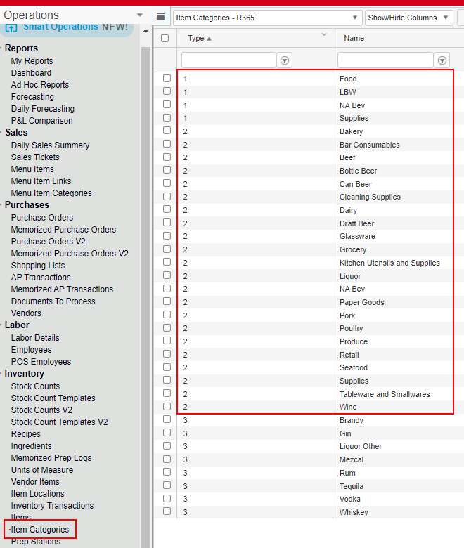
 | 1. Navigate to the Item Categories List and filter to only those that have been modified since you last audited categories.
 | 2. Open categories individually to check mappings.

What are we looking for?
Categories
Open each Category 2 and ensure that the cost and inventory account are selected, correctly mapped, and match the category name.
Categories affect report organization and financials by way of GL Mappings.

Click here for more info on Categories

3 - Purchased Item Setup
What are we looking for?
Categories
Ensure all items have at least a Category 1 for reports and ideally also a Category 2. Ensure name convention of item matches category and GL mapping.
Cost Update Method
Update Every Invoice, Average, or Manual - is it consistent and does it make sense for that item?
What are we looking for?
COG and Inventory Accounts
Check if cost account is in inventory column and vice versa. Ensure each item is in the correct account
UofMs
Ensure Inventory UofM and Purchasing UofMs are in the same unit of measure class
e.g. weight to weight and volume to volume, if not then check item's equivalency.
Equivalencies
Highlighted in columns R thru V
If an item has more than one base qty then it has an equivalency between to unit of measure classes
Purchased Item Setup
1. Navigate to the Item list view, filter on Cost Account column is not equal to a single space, and export the entire list of items using the Export button in the top right hand corner of the screen | 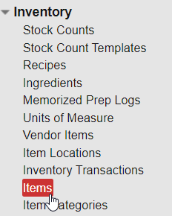
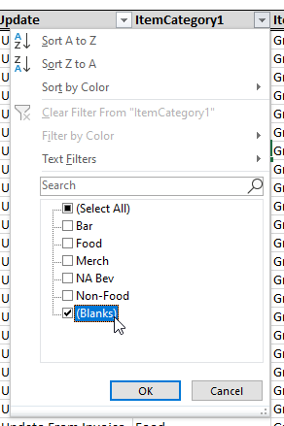

2. Copy the exported cells and paste values in cell A25 below

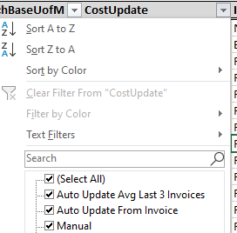
Click here for more info on Categories

Click here for more info on UofM Equivalencies
Duplicate Purchase Items
Ensure that no purchase items are duplicated with similar but unique names. An item is a dupe if you can use them interchangeably in recipes and counts.

Click here for more info on fixing duplicate purchase items

Name | InventoryUofM | Cost | PurchasingUofM | CostAccount | InventoryAccount | Active | WeightBaseQty | WeightBaseUofM | VolumeBaseQty | VolumeBaseUofM | EachBaseQty | EachBaseUofM | CostUpdate | ItemCategory1 | ItemCategory2 | ItemCategory3 | AllItemLocations | CountUofM2 | CountUofM3

