Data Structure Explanation
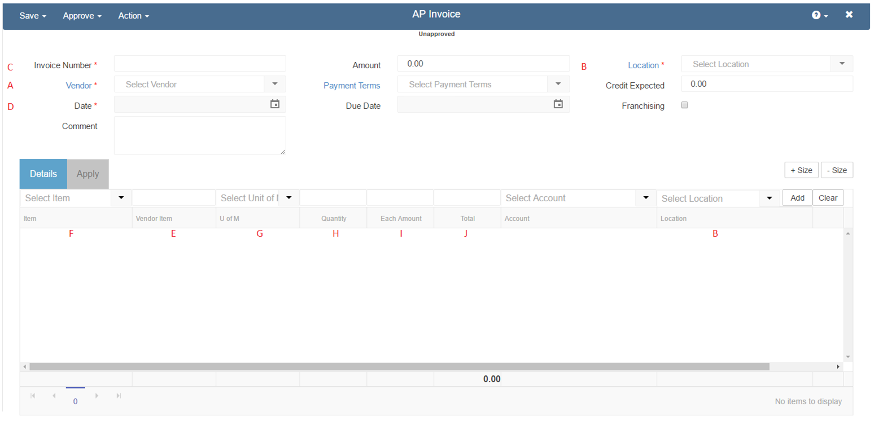
Vendor | Location | Document Number | Date | Vendor Item Number | Vendor Item Name | UofM | Qty | Unit Price | Total | Break Flag
R365 Vendor Name | R365 Location | 5992769 | 2017-01-05 | 988001 | 1.9 L Air Pot Lever Action | CA | 1 | 28.27 | 28.27
R365 Vendor Name | R365 Location | 5992769 | 2017-01-05 | 764346 | 1/2 Slotted Steam Tbl Pan Lid | CA | 1 | 11.82 | 11.82
R365 Vendor Name | R365 Location | 5992769 | 2017-01-05 | 999999 | Tax | EACH | 1 | 2.24 | 2.24
R365 Vendor Name | R365 Location | 1514842 | 2017-01-22 | 9550658 | 1.9 L Air Pot Lever Action | CASE | 3 | 29.10 | 87.30
R365 Vendor Name | R365 Location | 1514842 | 2017-01-22 | 7064609 | 1/2 Slotted Steam Tbl Pan Lid | CASE | 2 | 12.25 | 24.50

A | B | C | D | E | F | G | H | I | J

R365 AP Invoice Screen
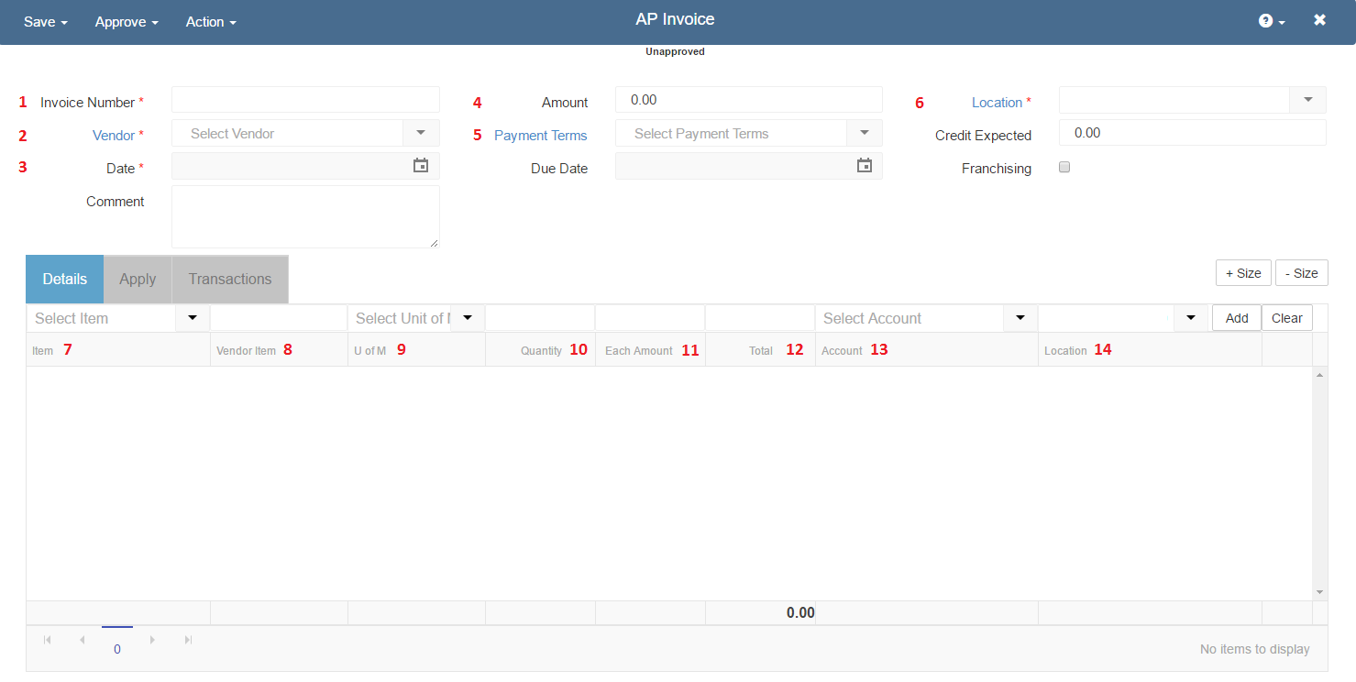

1 | Invoice/CM Number | - | Copied from Restaurant365 Multi-Invoice file column header
2 | Vendor | - | Copied from Restaurant365 Multi-Invoice file column header
3 | Date | - | Copied from Restaurant365 Multi-Invoice file column header
4 | Amount | - | Calculated in R365 based on Item added (imported) from invoice
5 | Payment Terms | - | Set from the Vendor Record, managed in Restaurant365
6 | Location | - | Copied from Restaurant365 Multi-Invoice file column header
7 | Item | - | The Vendor Item Name will not display here as the Purchased Item name will be present, however the Vendor Item name is directly connected to Purchased Items via Vendor Items and could be viewed by opening the Item
8 | Vendor Item | - | Copied from Restaurant365 Multi-Invoice file column header. Note: The Vendor Item Number is used to perform the Item Look-up when importing invoices
9 | U of M | - | Managed in Restaurant365 via the Vendor Item Purchase U of M. Not copied from Restaurant365 Multi-Invoice file column header
10 | Quantity | - | Copied from Restaurant365 Multi-Invoice file column header
11 | Each Amount | - | Copied from Restaurant365 Multi-Invoice file column header
12 | Total | - | Copied from Restaurant365 Multi-Invoice file column header
13 | Account | - | Managed in Restaurant365 via the Vendor Item > Purchased Item > Cost Account. Not copied from Restaurant365 Multi-Invoice file column header
14 | Location | - | Set from the Location Value on the Header of the Invoice (6)

